PUZZLES
IMAGE | LINK | SKU | UPC# | PRODUCT DESCRIPTION | CASE PACK | UNITS
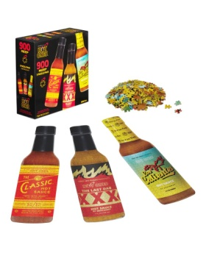 | LINK | WILD-188-06-US | 182805000154 | Hot Ones Challenge 3-Pack Bottle-Shaped Puzzles - 900 pc | 6 | 5267
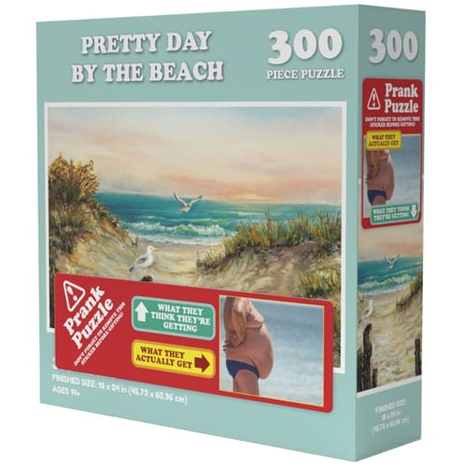 | LINK | WILD-123-06-US | 182805000123 | Doing Things Prank Puzzle Beach -300pc | 6 | 5085
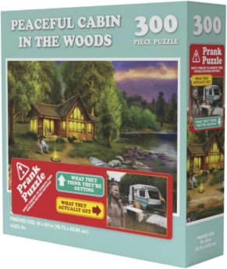 | LINK | WILD-178-06-US | 182805000178 | DOING THINGS CABIN PRANK PRANK PUZZLE-300 pc | 6 | 3865
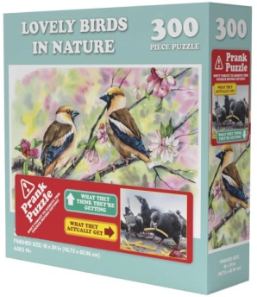 | LINK | WILD-185-06-US | 182805000185 | DOING THINGS BIRDS PRANK PRANK PUZZLE -300 pc | 6 | 2338
 |  |  |  |  |  | 16555

